Sheet1
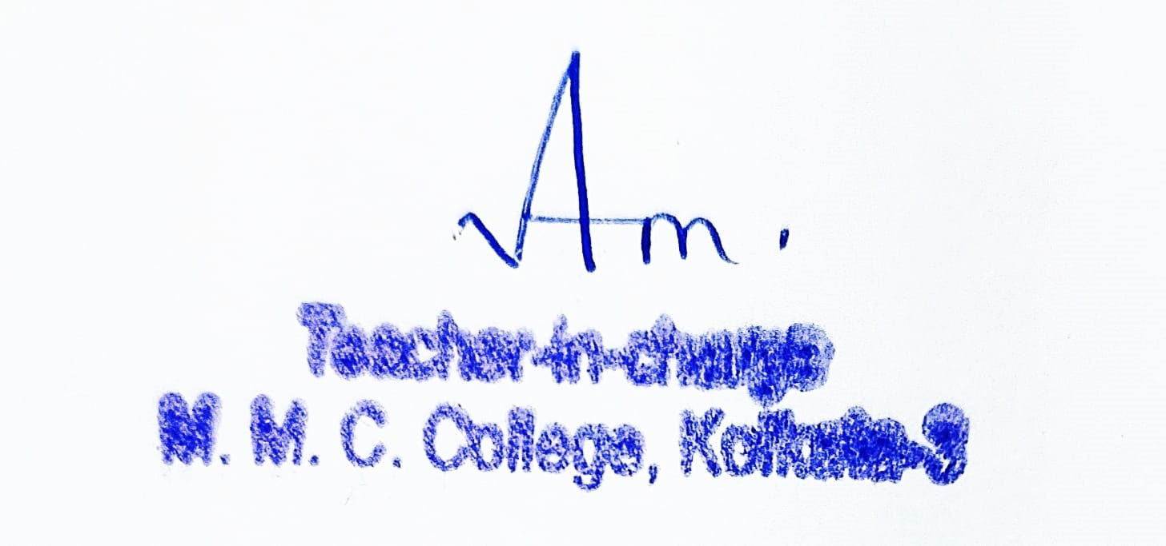
Reserved category details - 2022-23
Subject | Category
 | SC | ST | OBC-A | OBC-B | Total
Mathematics | 20 | 5 | 9 | 6 | 40
Physics | 20 | 5 | 9 | 6 | 40
Chemistry | 20 | 5 | 9 | 6 | 40
Computer Sc | 15 | 4 | 7 | 5 | 31
Economics | 15 | 4 | 7 | 5 | 31
Political Sc. | 15 | 4 | 7 | 5 | 31
Philosphy | 15 | 4 | 7 | 5 | 31
History | 15 | 4 | 7 | 5 | 31
Bengali | 15 | 4 | 7 | 5 | 31
English | 15 | 4 | 7 | 5 | 31
Hindi | 8 | 2 | 4 | 2 | 16
Journalism & Mass Communication | 15 | 4 | 7 | 5 | 31
B.Com. Hons | 49 | 13 | 22 | 16 | 100
B.Sc. General (Pure) | 27 | 7 | 12 | 8 | 54
B.Sc. General (Bio) | 14 | 4 | 6 | 4 | 28
B.A. (General) | 53 | 15 | 24 | 17 | 109
B.Com. (General) | 47 | 13 | 21 | 15 | 96
Total | 378 | 101 | 172 | 120 | 771

